Company
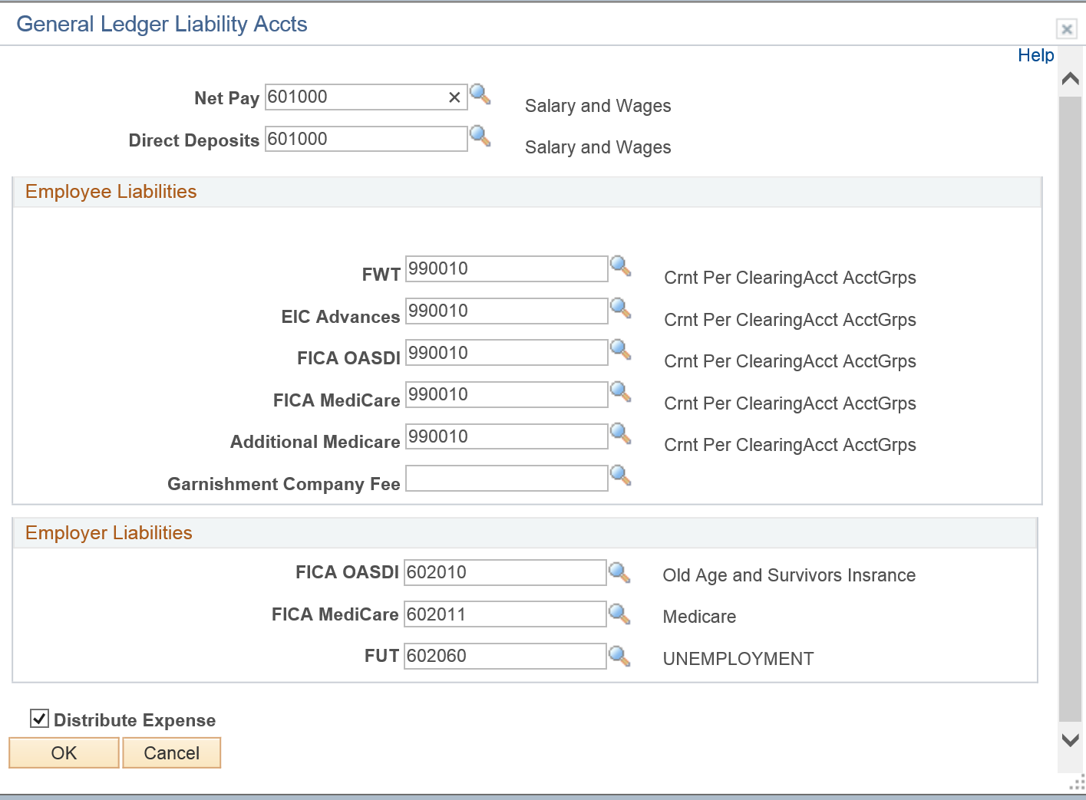

CO_TAX
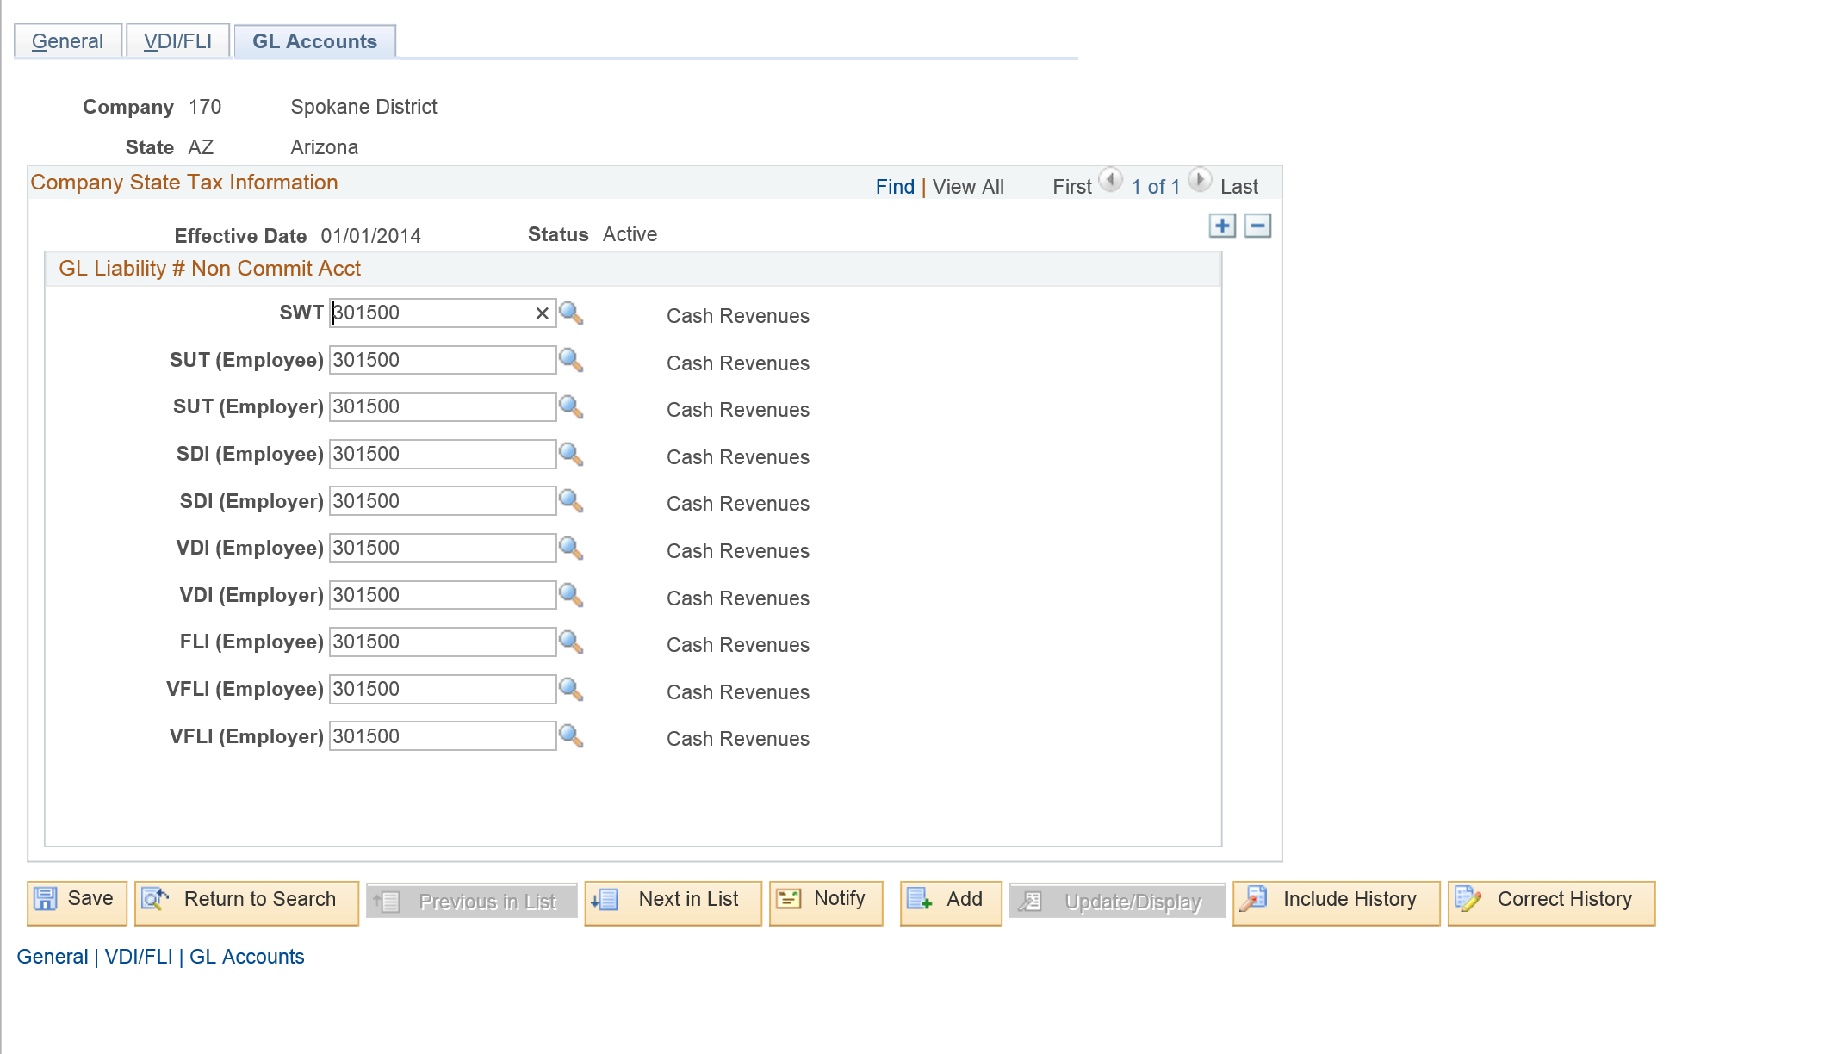

Deduction
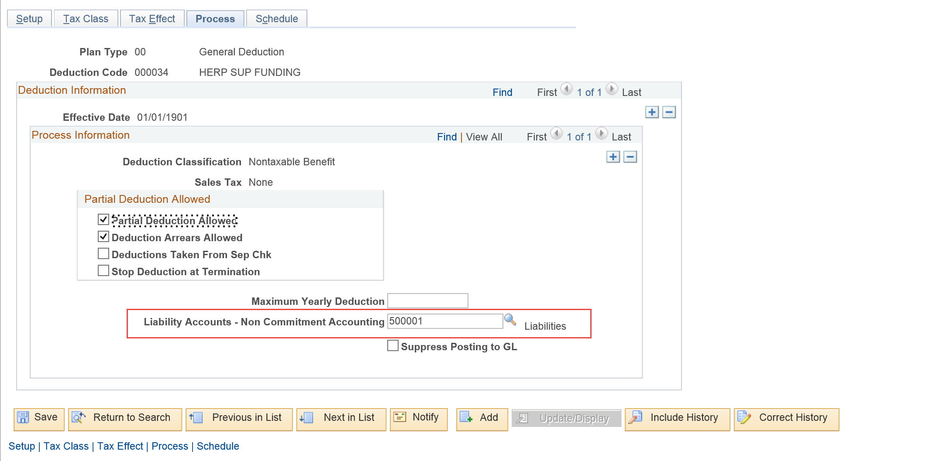

CTC_EARN
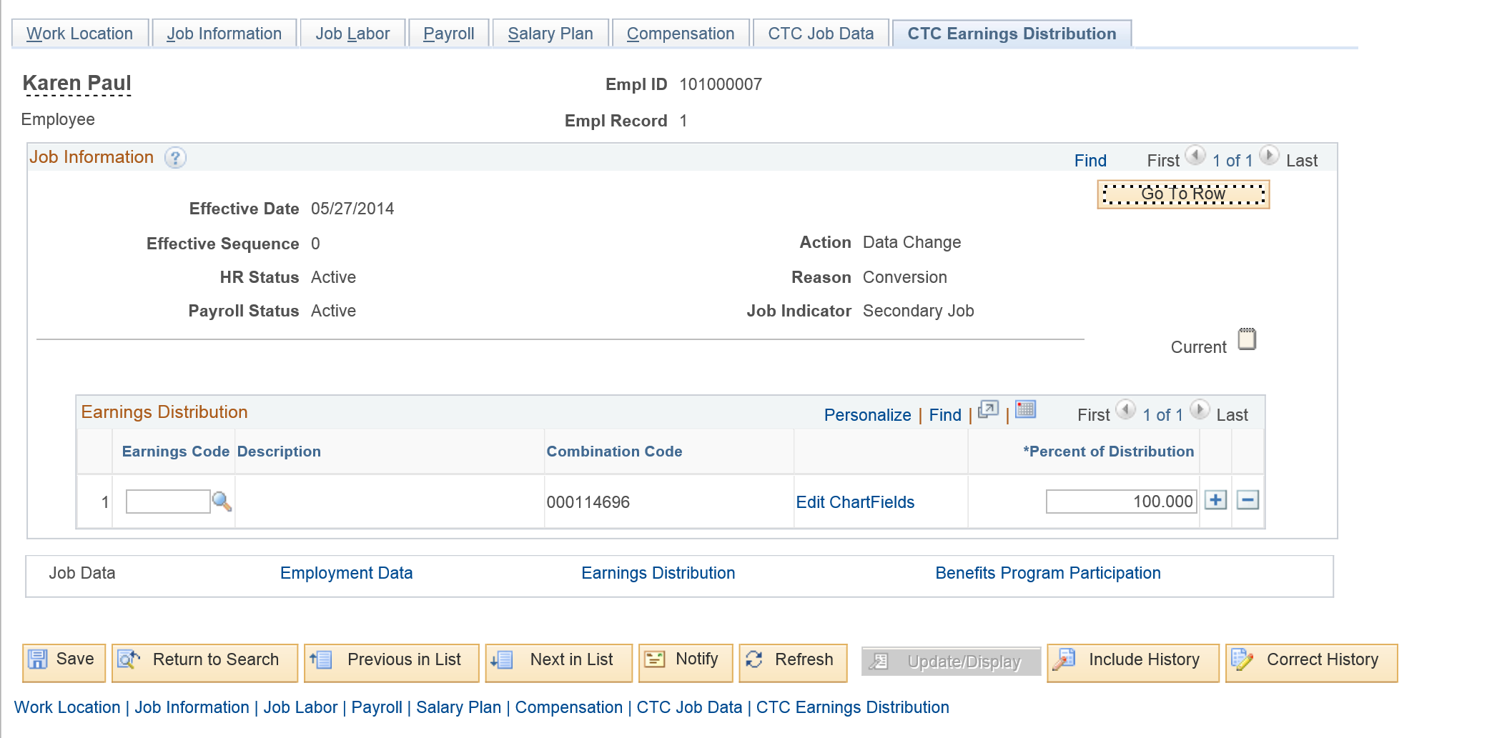

Datasheet
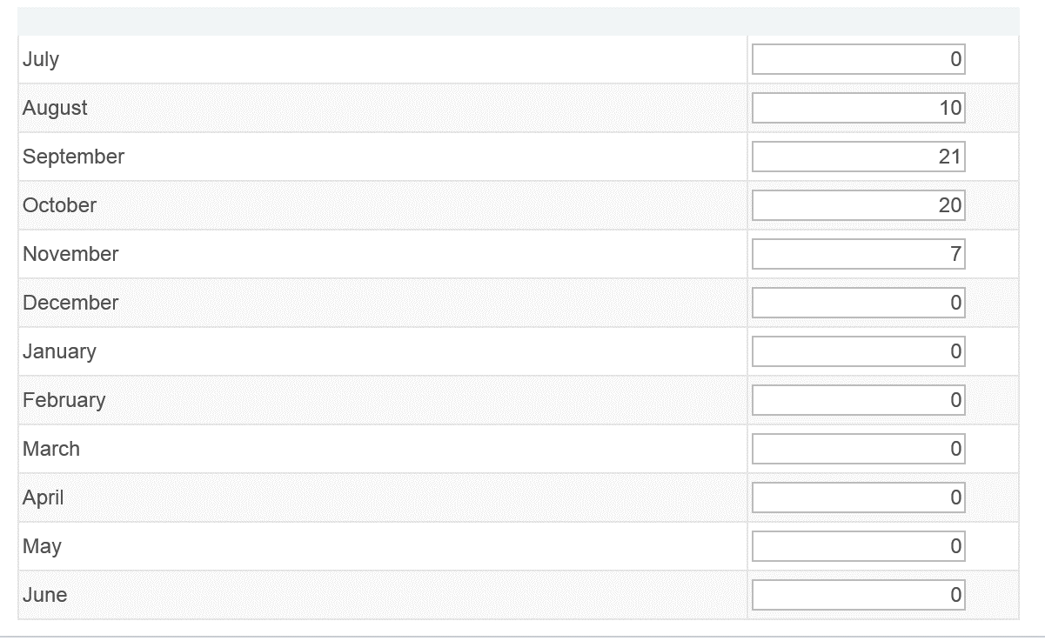
Test Script ID:
Test Script Name: | DRS Redistribution
Test Set: | Benefits
Test Scenario: | Process Benefits
Test Case: | DRS Redistribution

Configuration Steps
Concatenation of Test Conditions | Iteration # | Expected Pass/Fail | Iteration Result (Pass/Fail) | Test Step # where Fail was encountered | Browser | Security Role
 | 1 | Pass |  |  | IE | HCM Configuration Specialist

Processing Steps
Concatenation of Test Conditions | Iteration # | Expected Pass/Fail | Iteration Result (Pass/Fail) | Test Step # where Fail was encountered | Browser | Security Role | Run Control ID | PAY_RUN_ID
 | 1 | Pass |  |  | IE | Payroll Administrator | GL | 01A2015170
 | 2 | Pass |  |  | IE | Payroll Administrator | GL | 01A2015220

